Table of Contents
Tabs within workbook | Section | Description | FP&A Contact | DUKE (code block) | DERIVA (cost mapping) | Maximo, Basware, NetSuite (cost mapping)

GL Segmentation |  | Defines the purpose of the GL segments
Route Code Map |  | List of CAPS route codes transitioned to Baseware route codes
RC to Dept |  | List of responsibility centers with corresponding department
IT | SG&A | IT (Information Technology) - Frank Cook | Jackie Duis | Responsibility Center | Department | Department (Cost Center) | The team responsible for the expense (where the expense is coming from)
HR | SG&A | HR (Human Resources) - Tom Dukes | Jackie Duis | Operating Unit | Location | Operating Unit | The site or office associated with the expense (where the expense is going to)
Legal | SG&A | Legal - Jacob Pollack | Stephen James | Business Unit | Company id | Company id/Subsidiary | The legal entity paying the expense
Corporate | SG&A | Corporate - John Clapp | Landon Nyako | Project | Project | Project | Identifies what the cost is for
CFO Groups | SG&A | CFO Groups - Paul Tivnan | Landon Nyako | Activity | Activity | Activity | Identifies the type of work within the project
Land Services | SG&A | Land Services - Graham Furlong | Stephen James | Process | N/A | N/A
Commercial | SG&A | Commercial - Heath Norrick | Stephen James | Resource Type | Account | Account | Type of expense
Development | SG&A | Development - Graham Furlong | Stephen James
Tech Services | SG&A | Technical Services - Matt Johnson | Stephen James
Dept List | Deriva Systems | Listing of Departments | Jackie Duis
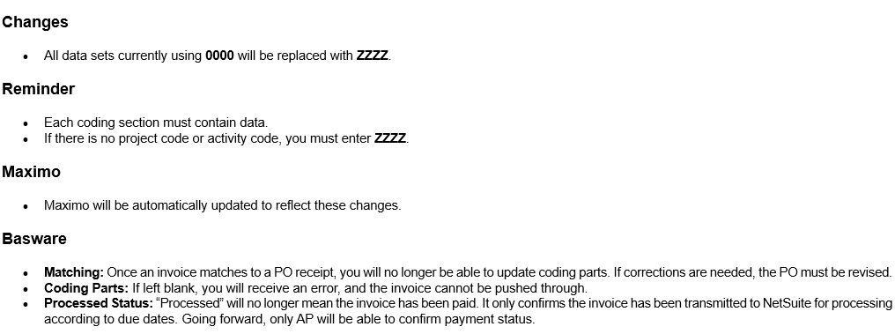
Employee Dept List |  | Accessible now via Workday
Comp IDs_Locations | Deriva Systems | List of Company ID's & Locations by Segment | Jackie Duis
Project Activity Sequence | Deriva Systems | List of Projects with Activities and Activity Sequences | Jackie Duis
Activity List | Deriva Systems | List of Activity Codes to coincide with Project Codes for (Maximo, Basware, NetSuite) - includes Project Type | Jackie Duis
Ops Support | Operations | Ops Support Groups (Renew Ops, EHS, Op Ex, RCC, Perf Svcs) | Jackie Duis
Accounts | Operations | Income and Revenue Accounts | Jackie Duis
Wind Sites | Operations | Wind Sites specific charging guidelines | Jackie Duis
Solar Sites | Operations | Solar Sites specific charging guidelines | Jackie Duis
Non Cntrl O&M |  | Non Controllable O&M
MST_FS | Operations | MST-Field Services specific charging guidelines | Jackie Duis
MST_GBX | Operations | MST-Gearbox Repair specific charging guidelines | Jackie Duis
MST_LC | Operations | MST-Large Corrective specific charging guidelines | Jackie Duis
High Voltage | Operations | High Voltage Team specific charging guidelines | Jackie Duis

Questions - email below or FP&A Contact
codingquestions@derivaenergy.com

NOTES
Segment values cannot inlcude dashes (-) to be accepted in Maximo
Keep consistent segment, GL compnent value lengths
Subsidiary: 5
Operating Unit: 4 (5 maximum)
Department: 4
Project: 10 maximum
Activity: 20 maximum
GL Account: 6 (8 maximum)

Development Cost Charging
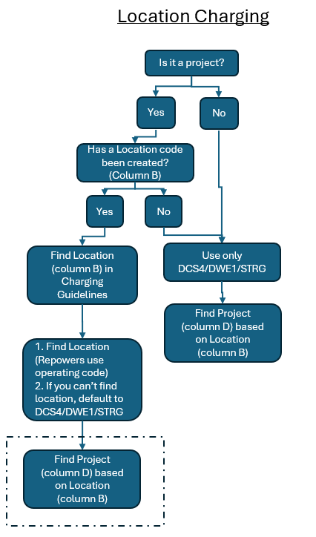
PROGRAM_ID | LOCATION NAME | PROJECT_ID (Conucur, Timesheets)
CONST | Franklin Solar LLC | SLRFRNCAP
 | Pleasant Grove Solar, LLC | PGROVECAP
 | South Dixon Solar, LLC | SDIXONCAP
CONST Total
DEV_PNL | DE Renewables Solar, LLC | HOSJAKCAP
 |  | SLRCAPRK2
DEV_PNL Total
Grand Total

